Dashboard1
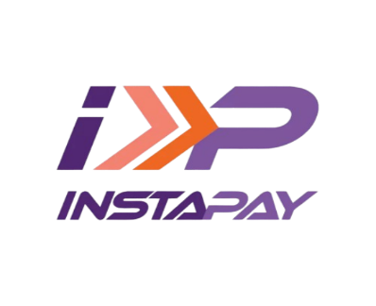
Total Revenue
$24,660,164
Total Fees
$125,944
rrr

Total Of Revenue By Mounth
 | Total
Jan | $2,006,364.76
Feb | $1,980,360.47
Mar | $2,149,380.33
Apr | $1,945,392.89
May | $2,146,194.85
Jun | $2,014,347.75
Jul | $2,189,261.74
Aug | $2,111,019.50
Sep | $1,938,586.25
Oct | $2,035,931.71
Nov | $1,997,644.14
Dec | $2,145,679.68

Avg.Revenue
$4,932
Total Cashback
$253,294

# Of Transaction By Status
 | Total
Successful | 4755
Failed | 146
Pending | 99

# Of Transaction By Payment Method
 | Total
Bank Transfer | 1045
Debit Card | 1022
UPI | 999
Credit Card | 992
Wallet Balance | 942
# Of Transaction By Device Type
 | Total
Android | 2995
iOS | 1526
Web | 479

# Of Transaction For Top 10 Category
 | Total
Streaming Service | 299
Education Fee | 286
Hotel Booking | 274
Water Bill | 273
Movie Ticket | 272
Food Delivery | 259
Taxi Fare | 256
Electricity Bill | 252
Rent Payment | 251
Gas Bill | 250

Dashboard2

Top 10 Product Category By Paid Amount
 | Total
Streaming Service | $1,454,863.45
Water Bill | $1,393,430.57
Gas Bill | $1,355,831.55
Education Fee | $1,342,392.08
Movie Ticket | $1,329,755.49
Hotel Booking | $1,312,839.55
Food Delivery | $1,310,114.57
Taxi Fare | $1,299,937.06
Rent Payment | $1,251,552.50
Internet Bill | $1,241,431.18
Total Of Paid Amount By Location
 | Total
Urban | $17,159,632.86
Suburban | $4,988,364.99
Rural | $2,512,166.22
Total Fees By Payment Method
 | Total
UPI | $25,802
Bank Transfer | $25,780
Debit Card | $25,696
Credit Card | $25,207
Wallet Balance | $23,460
Top 10 Product By Paid Amount
 | Total
Basic Plan | $377,879.04
Python Programming Course | $367,189.99
Commercial Property | $332,384.49
Industrial Gas Supply | $330,551.95
Share Ride | $314,881.23
Legendary Weapon | $311,550.05
City Ride | $311,473.35
Standard Plan | $307,104.74
Vegetable Biryani | $300,413.78
Commercial Space Rent | $299,531.26
Top 10 Users By Revenue & Transactions
 | Sum of Paied Amount | Count of transaction_status
USER_08946 | $28,756.23 | 4
USER_08775 | $24,674.61 | 3
USER_08584 | $23,723.80 | 4
USER_05836 | $24,935.58 | 4
USER_05744 | $24,861.85 | 3
USER_05280 | $23,429.81 | 4
USER_04724 | $29,186.46 | 4
USER_03945 | $25,033.35 | 4
USER_03888 | $23,655.62 | 3
USER_00949 | $23,603.70 | 3

